ADL CLIENT CRD SURVEY
Section | Survey Questions | Customer Responses Here | Customer Responses Here | Customer Responses Here | Customer Responses Here | Customer Responses Here | Customer Responses Here | Customer Responses Here | Customer Responses Here | Customer Responses Here | Customer Responses Here
 | ALDER LAKE - CRD SURVEY
 |  | Compal KS | Compal CD | Compal CQ | HuaQin | Inventec CQ | LCFC | MSI | Pega CQ | Pega SZ (JDM1 + Intel SPG&NSG) | Wistron
Solder Paste Printing | What are the top 3 SAC pastes and the percentage of each type used in your production line? | YuanNan Tin YW9-3005-98CY04 (96%) ShenMao PF606-P (2%) YankTai NP01-P101-I+ (2%) | YuanNan Tin YW9-3005-98CY04 ShenMao PF606-P | YuanNan Tin YW9-3005-98CY04(90%) ShenMao PF606-P (10%) | Shenmao PF606-P26 SAC305 Type4： 87.5% Shenmao PF606-P245 SAC305 Type4：9.37% INDIUM8.9HF SAC305 Type5-MC：3.13% | Shenmao PF606 (50%) TamuraTLF204 (40%) Eunow EUP1000 (10%) | Shenmao PF606 (70%) | KOKI M406-3 | YunNan Tin YW9-3005-98US04, Type-4, SAC305 | Intel NUC: DW-1000，SSD: PF606-P25 1.Eunow LTS DW-1000 2.Shenmao PF606-P25&PF606-P 3. Senju S70G&M705-S101HF(N4) 4.Indium 8.9HFA Type 4.5 | SAC305, SAC105
 | What is the Stencil Thickness Range (mm) used for different package pitch? | 0.4mm: 3mil 0.5~0.6mm: 4~5mil | 0.4~0.5mm: 4mil | 0.65mm: 5mil | 0.10mm-0.12mm | 0.35mm: 3mil others: 4~5mil | 0.35mm:3mil 0.5mm: 3mil >=0.65mm: 4mil or 5mil | 0.5~0.6mm: 4mil 0.7mm: 5mil | 0.4mm: 3mil 0.6mm: 4mil | 0.35mm-3mil 0.4mm-3mil/4mil 0.5mm-4mil 0.6mm-5mil | 0.8~1.2mm
 | If 01005 component size is used on ADL-M platform, is your mfg.line qualified for HVM assembly? | Yes | No | No | Yes, already in HVM | Yes | Yes, so far less than 20Pcs per panel | No | No | Machine capable, no real HVM yet | Yes
 | Do your require Intel to provide 3mil a stencil recommendation for U-Series CPU? If yes, can you specify the reason? | No | Nice to have, future for small pitch we may use 3mil stencil | No | No | No | No, 0.65mm pitch keep use same 4~5mil stencil | No requirement, but nice to have | Nice to have, for fine pitch connector | No | Depends on customer requirement
 | What is smallest pad to pad seperation for 1 mil (25um) step down stencil? | 1mm | 0.4mm | NA | 0.5mm | 7.5mm | 0.2mm | 5mm | 5mm | 5mm | Confidential
 | What is the smallest AR (Area Ratio) capable in HVM? | 0.6 | 0.68 | 0.66 | 0.66 | 0.55 | 0.66 | 0.66 | 0.65 | 0.66 | Confidential
 | Do you have challenges printing 0.35mm pitch BGAs? | Yes | Yes | Yes | No | Yes | Yes, need to use whole process pallet | Yes | Yes | No (in using) | No
 | For Intel SOC board side, and following pcb thicknesses of 0.6, 0.7, 0.8 & 1.0 mm, please state if support pins, print pallets, vacuum fixture, or support block is used for board support. | Vacuum Block | Support block | Support Block | Support Block | Support Block | No answer | Support Pin | <0.8mm: Whole process pallet >=0.8mm: Support block | Whole process pallet + Suppot block | Depends
 | Do you use different board support strategies for different board thicknesses: 0.6, 0.7, 0.8, 1.0 mm? | No | No, all brd are 0.1mm in our site | No | ≤0.8mm：print pallets；>0.8mm： support block | No | for all thickness, first side use support block, 2nd side use vacuum block | All use support Pin | <0.8mm：print pallets；>=0.8mm： support block | All board SOC side use whole process pallet + Suppot block | Depends
 | Please provide images of your different board support types. | 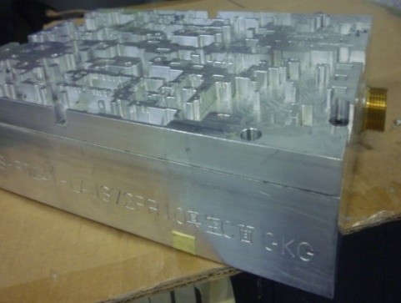 | No answer | No answer | 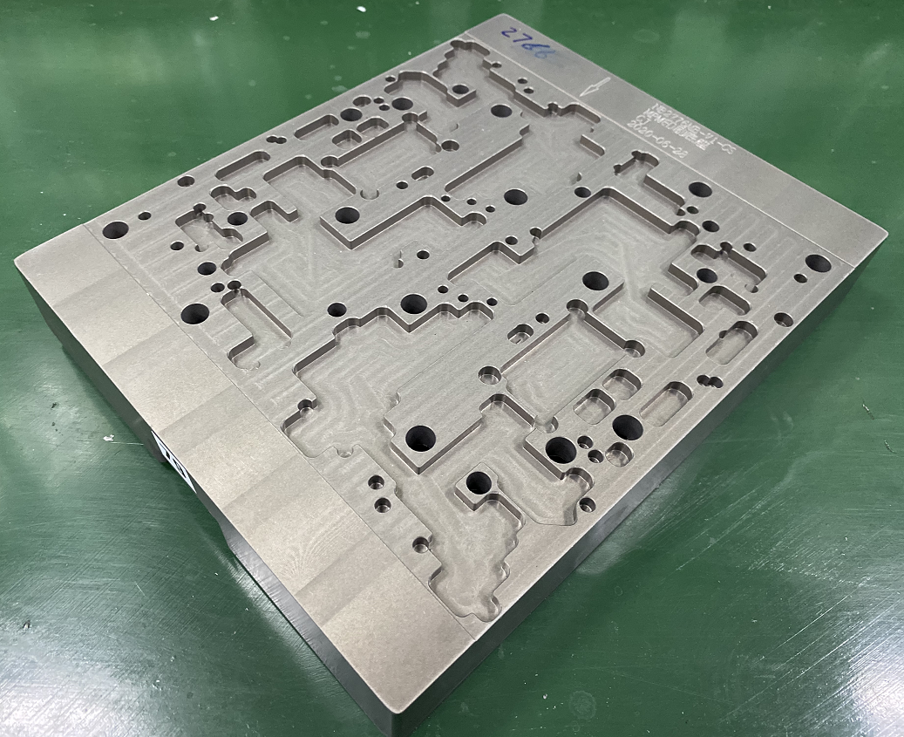 |  |  | No answer | 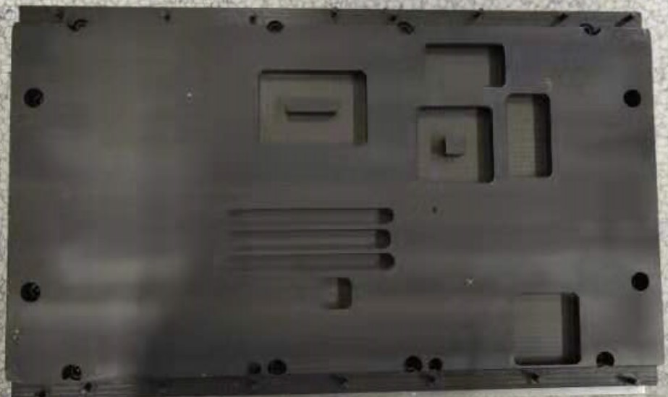 | 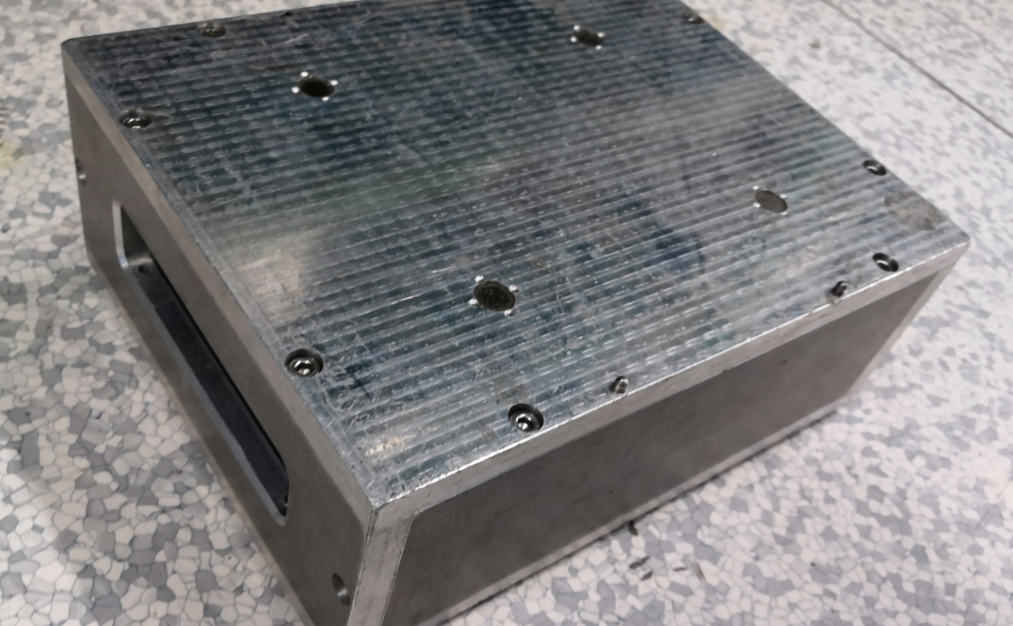 | Confidential
Solder Paste Inspection (SPI) | For SPI volume control limits, what is percentage of defects (opens, in-sufficients, bridging) attributed to print volume? | 0.03% | No answer | No answer | 0% | 0.3% out of all the failures | 0.08% | near to 0% | N/A | No data | Confidential
 | What is the typical percentage rate of board wash? | 1/2000 | 4/4500 | 2/1500 | 0.11% | 1/1500 | 0.25% | near to 0% | near to 0% | Avg 4/1000 | Confidential
Pick and Placement (PnP) Machine | State BGA Placement Force in Newtons when Intel component is placed? | 2.5N | 2.5N | 2.5N | N/A | N/A | 2.5N | N/A | 0 | NXT: 0 NPM:2.5N | Confidential
 | For Intel SOC board side, and following pcb thicknesses of 0.6, 0.7, 0.8 & 1.0 mm, please state if placement pallets are used for board support. | No | No | No | No | No (except when use whole proces pallet) | No | No | No (except when use whole proces pallet) | Whole process pallet | Whole process pallet
 | Do you use different board support strategies in PnP machine for different board thicknesses: 0.6, 0.7, 0.8, 1.0 mm? | No | Maybe | N/A | <0.8mm, use whole process pallet | PCB = 0.6mm, use whole process pallet PCB > 0.6mm, no pallet | No | No | No (except when use whole proces pallet) | Whole process pallet | Depends on customer requirement
 | Please provide images of your different board support types. | No answer | No answer | No answer | No answer | 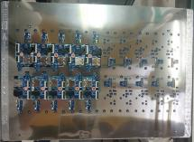 | No answer | No answer | 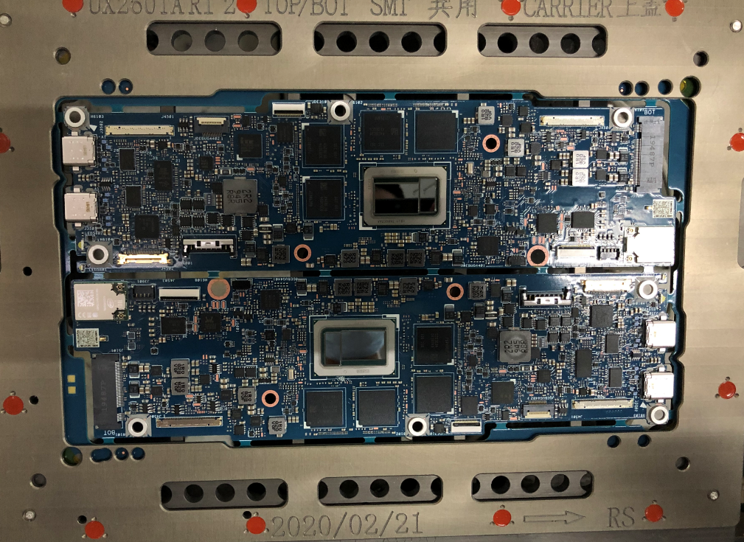 | 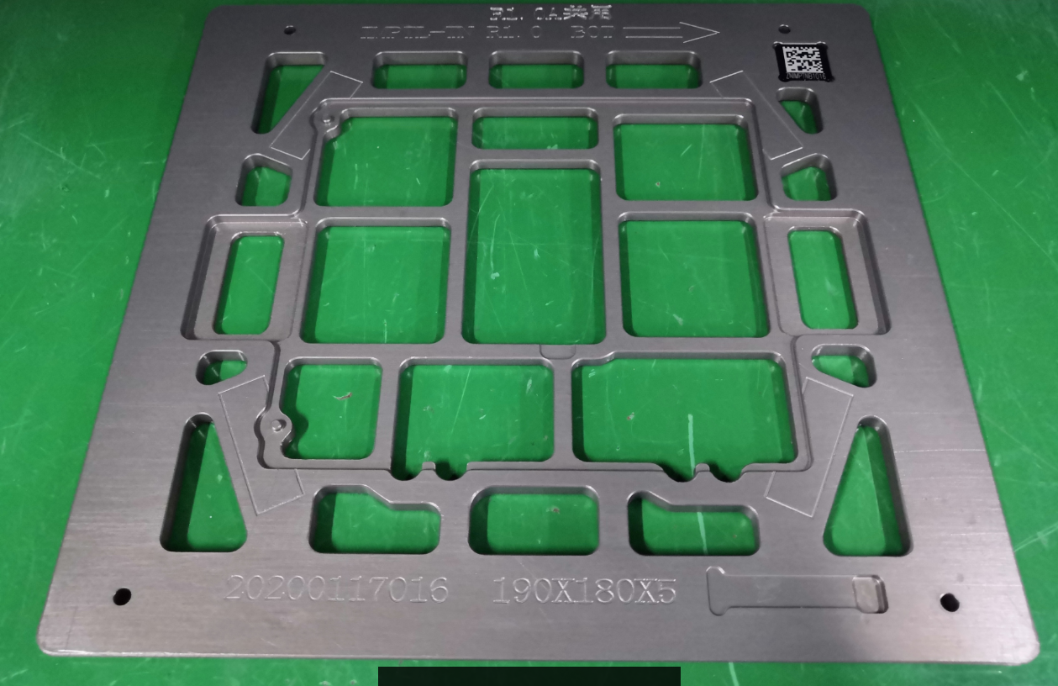 | Confidential
Large EMI Shields ( > 40 x 40 mm) | What is the preferred method for implementing large EMI Shielding (> 40 x 40 mm) in your designs? Option A. Soldered Down directly to PCB in SMT Process Option B. SMT Clips soldered down in SMT, then LID added post SMT Assy Option C. No shields added in SMT, we utilize System for shielding our designs | A and B | A | C | B | B | A and B | C | B | A | Depends on customer requirement
 | If answered "Option A" to the question above: Do you utilize hold down top hat/weight on top of large EMI shields (> 40 x 40 mm) during reflow to reduce risk of open solder joint? FYI: Picture on the right shows a top hat placed on top of the shields. Intel only uses this solution for option A. | Yes | No, so far we don't have such big shielding cap | NA | No answer | N/A | No | N/A | N/A | Yes | No answer
 | What is the typical size EMI Shield pad width (example 0.5 mm or larger) you allow for option A or B, for large Soldered-down EMI shields (> 40 x 40 mm)? FYI: 0.50mm is the pad width example in the example photo | 0.8mm | No answer | NA | 0.5mm&1.0mm | No answer | 0.6mm | N/A | >= 0.5mm | 0.5mm | Confidential
 | Do you overprint solder paste for these large EMI Soldered down shields (> 40 x 40 mm)? If yes, what is typical overprint % to pad size? FYI: 1.5mm is the paste overprint example in the example photo, correpsonding to 300% overprint. | Yes, <170% | >200% | NA | 0.5mm→1.0mm overprint 100% | No answer | 1:1 (no overprint) | N/A | 100-300% | 250-300% | Confidential
 | What geometry (rectangular, circle, oval, other) do you use for shield pads on large EMI soldered down shields (> 40 x 40 mm)? FYI: Example shown in these photos are rectangular pad designs. | Rectangular | Rectangular | NA | Rectangular | Rectangular | Rectangular | N/A | Rectangular | Rectangular | No answer
 | What material is used for shield part - lid and fence for large EMI soldered down shields (> 40 x 40 mm)? For Example: Typical Fence Materials: 1) NiAg 2) Tin Plated CRS (Cold Rolled Steel) 3) 1000 Series Al 4) Other? | 4: Copper-Nickel-Zinc Alloy | No answer | NA | 2, 4 (Copper-Nickel-Zinc Alloy) | No answer | 4: Nickel Sliver Copper | N/A | No answer | 2, 4 (Copper-Nickel-Zinc) | No answer
 | Do you utilize any solder additive process for the shield reflow to increase mechanical stability, for large EMI soldered down shields (> 40 x 40 mm)? | No | No answer | NA | No | small solder chips that can be placed by SMT machine | No | N/A | No | No | No answer
Reflow Convection Oven | Do you see any technical issue in SMT process if using Black Color Soldermask PCB? | No | We have no black solder mask PCB | We have no black solder mask PCB | Black Color Soldermask will interfere with AOI image recognition components 黑色会干涉AOI影像识别元件 小Pitch MD 不好做 | We have no black solder mask PCB | No | No | Black Color Soldermask will interfere with AOI image recognition components 黑色会干涉AOI影像识别元件 小Pitch MD 不好做 | Yes 1. Black color soldermask will interfere with AOI to recognition small resistors (black color), cannot catch resisitor missing 2. Not easy to keep good quality of small size MD pad | No
 | If N2 is used, at what zone numbers is the O2 PPM level measured? | Zone 9 | Zone 9~10 | No answer | Zone 10 (total 13 zones) | Peak Zone | Peak Zone | Peak Zone | No build in O2 analyzer. We use stand alone equipment | Peak Zone | Peak Zone
 | Do thinner boards require different support vs thicker? (example: please state answer for pcb thickness 1.0mm, 0.8mm, 0.7mm, 0.6 mm) | No | No, all brd are 0.1mm in our site | No | Thinner PCB will use more support pins | No | No, all PCB 0.8mm~1.6mm now | No, All use reflow pallet | <0.8mm: Whole process pallet >=0.8mm: Reflow only pallet | No, All use dedicate pallet | Yes
 | How are PCBs placed into reflow pallets? Manually, robotic? | Robotic | Robotic | Robotic | Robotic | Robotic | Both | Manual | Robotic | Whole process pallet | Manual
 | Is the pallet common to print through reflow or reflow only? | Reflow only | Reflow only | Reflow only | Reflow only | Reflow only | whole process pallet for PCB w/o outrigger, dedicate reflow pallet for normal PCB | Reflow only | <0.8mm: Whole process pallet >=0.8mm: Reflow only pallet | Whole process pallet | Depends on product
 | If tooling Pins on pallet are used for pcb hold down, what is the clearance in design (mm) used to allow for board expansion without binding during reflow cycle? | 1mm | 2mm | 0.5mm | 1.0mm | 0.5mm | 1mm | There is no cavity on the reflow pallet | 1mm | 1mm | No answer
Adhesive SJR (Solder Joint Reliability) | Are you currently using adhesive for Intel BGA in HVM? | Yes | Yes | Yes | Y | Yes | Yes | Yes | Yes for CPU/GPU/PCH | Yes, some projects | Depends on product
 | For the following Adhesive Process, please state if you using (Please answer Yes/No for each):
 | Corner Glue; | Yes | Yes | Yes | Yes | Yes |  | Yes | Yes | Yes | Yes
 | Corner Dot; |  |  |  |  |  |  |  |  |  | Yes
 | Corner Partial underfill; |  |  |  | Yes |  | Yes |  |  |  | Yes
 | Full Underfill; |  |  |  |  |  |  |  |  | Yes | Yes
 | No Flow Underfill;
 | Underfilm;
 | SJEM Epoxy Flux (Solder Joint Encapsulant Material); |  |  |  |  |  |  |  |  |  | Have the capability, but not in use
 | What's the vendor name and model of the adhesive material you are using for each of the following processes (Please provide Vendor Name & Model for each)?
 | Corner Glue; | Loctite 3705(UV); SOMIDA(索梦达) 3805 (UV) | No answer | Ubond UB-4305 | Loctite 3705 | Loctite 3619 |  | ZhongYu ZY-330 (UV) | SeaYu UV3329 | Zymet UA2605-B, SeaYu UV3329 | Confidential
 | Corner Dot; |  |  |  |  |  |  |  |  |  | Confidential
 | Corner Partial underfill; |  |  |  | Syscotech(新懿)SCT 3109A |  | Syscotech(新懿) SCT AS3109A/AS3109A7 |  |  |  | Confidential
 | Full Underfill; |  |  |  |  |  |  |  |  |  | Confidential
 | No Flow Underfill;
 | Underfilm;
 | SJEM Epoxy Flux (Solder Joint Encapsulant Material); |  |  |  |  |  |  |  |  |  | Confidential
 | Where in the board manufacturing process is the adhesive applied (For each, please specify "Before SMT", "After SMT/Before Functional Test", or "After SMT/After Functional Test".
 | Corner Glue; | After SMT before test | After SMT before test | After SMT before test | After SMT before test | After SMT before test |  | After SMT before test | After SMT before test | After SMT, before test | After SMT, before test
 | Corner Dot; |  |  |  |  |  |  |  |  |  | Before SMT
 | Corner Partial underfill; |  |  |  | After function test |  | After function test |  |  |  | After SMT, before test
 | Full Underfill; |  |  |  |  |  |  |  |  |  | Have both before or after test
 | No Flow Underfill; |  |  |  |  |  |  |  |  |  | N/A
 | Underfilm; |  |  |  |  |  |  |  |  |  | N/A
 | SJEM Epoxy Flux (Solder Joint Encapsulant Material); |  |  |  |  |  |  |  |  |  | N/A
 | If using Corner Glue, what % of the Perimeter length of Package is covered? | 15~20% | 5mm L shape | Follow DFX silkscreen | 26% | 4mm L shape |  | L shape cover 4~6 row/columes each side | Follow DFX silkscreen | 30%~50% | Depends on customer requirement
 | If using Corner Glue, what is minimum % of substrate fillet height acceptable? | 60%~100% | <100% | 80% | 90%-100% | 50% |  | No answer | <100% | 75%Height | Depends on customer requirement
 | If using Corner Dot, how many dots are placed per package? State where used (Corners, mid-point of sides, edges)? FYI: Example image showing Intel BGA with corner dots placed |  |  |  |  |  |  |  |  |  | Depends on customer requirement
 | If using Corner Partial Underfill, what is the minimum & maximum rows or columns of coverage? |  |  |  | at least 8 columes/rows per corner (Corner fill) |  | at least 8 columes/rows per corner (Corner fill) SAC305:twice jet at corner LTS: twice jet at corner and edge |  |  | 3x3 | Depends on customer requirement
 | If using Underfill what is the maximum cumulative voiding % of dispensed area acceptable (<10%, >10%<25%, >25%, <50%): IPC J-STD-030 <10% acceptable? |  |  |  | <10% |  |  |  |  | Follow IPC | Depends on customer requirement
 | If using Underfill, what is minimum % of substrate fillet height acceptable? |  |  |  |  |  |  |  |  | 50% | Depends on customer requirement
 | If using Underfill what are methods for inspection to quantify voiding? (cross-section, C-SAM, Dye and Pry, Other) |  |  |  | N/A |  |  |  |  | x-section | cross-section
 | If using Underfill, Is adhesive encapsulation acceptable on adjacent caps/resistor/inductors around the perimeter of the BGA packages? FYI: The image on the right is showing encapsulation of capacitors & resistors. |  |  |  | No | No |  |  |  | Yes | Depends on customer requirement
 | If using Underfill, is it acceptable for adhesive material to flow on land side capacitors/passives on underside of BGA package? (Please answer Yes/No) |  |  |  | Yes | No |  |  |  | Yes | Depends on customer requirement
 | If using Underfill, are voids acceptable? (Please answer Yes/No) |  |  |  | Yes |  |  |  |  | No | Depends on customer requirement
 | If using a material that flows underneath the package, is partial encapsulation of LSC's (Land Side Capacitors) acceptable? |  |  |  | Yes |  | Yes |  |  | Yes | Depends on customer requirement
 | If using No Flow Underfill what is the maximum cumulative voiding % of dispensed area criteria?
 | If using No Flow Underfill what is the minimum % of substrate fillet height acceptable ?
 | If using Underfilm, what is the minimum % coverage of perimeter length around package?
 | If using SJEM Epoxy Flux (Solder Joint Encapsulation Material), what is the minimum acceptable Solder Joint encapsulation % with epoxy material, as measured post reflow by cross-section or other means?
 | Is there a preference of 1 Part Epoxy or 2 Part Epoxy in material selection/usage? |  |  |  | No | No | No | No | No | No | No
 | What is the minimum acceptable Epoxy Pot Life use condition (in hours)? | UV: 2 weeks if no expose to light | No answer | 3 days | 24h | No answer | No answer | Follow datasheet | No answer | 24H | No answer
 | What type of dispensing valve is used for Automated Dispense? (For example, Pneumatic, Piezo, Auger, Other) | Pneumatic | Pneumatic, Piezo | Pneumatic | Pneumatic | Auger | Auger | Piezo | Pneumatic | Pneumatic | Piezo
 | Is the machine able to heat the nozzle, and if YES, what is the max temperature (Celcius) the machine is capable? | No | No | No | No | No | Yes, 50°C | No | No | No | Yes, 100C
 | Is there ability to heat the substrate of the board, and if YES, what is the max bottom heater temperature (Celcius) the machine is capable? | No | No | No | No | No | Machine support the function,The highest temp can reach to 210C. But we didn't buy the module. | No | No | No | Yes, 130C
 | What is the Dispense Machine Info (Vendor Name, Model Number, Model ID, Model Year)? | No answer | No answer | No answer | NORDSON, Q-6800，Q30380，2019 | No answer | AXXON/AI100S/01DPGAXX0130021/2019-09-03 | AXXON | No answer | ANDA, HD-18SHW, Year 2015 | Asymtek
 | For In-line thermal Cure Oven, Batch thermal Cure Oven, In-line UV Cure Oven being used, please state Vendor name, Model #, Model ID & Model Year. | Elite Automatic, UV703, 2018/09 | No answer | No answer | KTX-600，19LSL01，2019 | No answer | Dongsheng/BTA-1500-VF/01CURDON0130003/2012-10-29 | Elite | 億立/宏創/台台 | Heller 1900 Year: 2003 SN# 0203F2A7N5-34742-01 | Rehm
 | Is there any flux compatiblity testing performed? (flux contained in solder paste with adhesive material used) | No | No | No | No | No | No | No | No | No | No
 | If Yes to the above question, what test/equipment is used? (For example, DSC, Other) | N/A | N/A | N/A | N/A | N/A | N/A | NA | NA | NA | N/A
 | What adhesive keep out zone (KOZ) in mm is required for adhesive dispense? | 2mm | 2mm*5mm | Follow DFX silkscreen | 2mm | 2mm | Min:1mm, jet apply | 2mm | 0.5mm | 2mm | Depends on customer requirement
 | How is after cure validated, for thermal cure adhesive material, non-destructively (voiding, area coverage, adhesion to pcb and component) | N/A | N/A | N/A | Visuual inspection | The adhesion between PCB and component | Use rework method to remove the BGA then do visual inspection | N/A | Visuual inspection | verify the gluing process by mount the component on glass plate | N/A
Rework 维修 | Is N2 used for rework? If yes, what is the O2 PPM level? | No | No | No | No | No | No | Yes,under 1000dppm. | No | Yes, not measuring the O2 PPM | Yes
 | Do you see any technical issue in Rework process if using Black Color soldermask PCB? | No | N/A | No experience | Pay attention to 0.4pitch BGA, black SM normally use SMD pad. Need x-ray double confirm after rework | No | No | No | No | No | No
 | How do you decide use paste or Flux used to rework Intel SOC? FYI: Some applications or design layouts may require one or the other | Depends on Pitch | Use paste | Use paste | Use paste | Use paste | Depends on BGA pitch | Use paste | Pitch > 0.3mm: Paste Pitch <=0.3mm: Flux | All BGA use paste | Depends on customer requirement
 | Do you have any challenges reworking 0.35 mm pitch BGA (site re-dress, flux dispense, placement)? | Yes | Yes | Yes. 1. Need new rework machine; 2, Easy damage SM when do pad clean; 3. Need auto placement for accurate alignment | No | Yes, hard to print paste and keep good alignment | No | No 0.35mm pitch BGA now | Yes, prefer >=0.4mm | Yes, difficult for paste alignment causing SBB | No
Bare PCB (Printed Circuit Board) | FYI: Definitions for this PCB Section: Type 3 = Multilayer board without blind or buried vias Type 4 = Multilayer board with blind and/or buried vias, also referred to as High Density Interconnect (HDI)
 | State PCB Thickness Range for Type 3 (Through Hole) | 0.8~1.2mm | 1.0mm | 1.0mm | 0.8mm, 1.0mm | 0.6~1.6mm | 1.0-1.6mm | 1.0mm,1.2mm | 0.8-1.3mm | 0.8mm~0.85mm, 0.9mm | No answer
 | State PCB Thickness Range for Type 4 (HDI) High Density Interconnect | 0.7~1.2mm | N/A | N/A | 1.0mm | 0.6~1.6mm | 0.8-1.2mm | N/A | No answer/Confidential | 0.8mm~0.85mm, 0.9mm | No answer
 | State Top 3 PCB Vendors Type 3 by volume | GCE; Tripod; Hannstar | TMT,GCE,Tripod,HSB | chuanyi 40%/TMT 60% | ASKPCB 30%; HSB(Hannstar)30%; CEEPCB 20%; ShenHong Tech 20% (http://www.shpcb.com/) | No answer | No answer/Confidential | Hanstar,Tripod | No answer/Confidential | UMT, Compeq, Tripod, Hanstar, GCE | No answer
 | State Top 3 PCB Vendors Type 4 by volume | GCE; Tripod; Hannstar | N/A | N/A | Avary Holding 60%(http://www.avaryholding.com/); Unimicron 40% | No answer | No answer/Confidential | No answer/Confidential | No answer/Confidential | UMT, Compeq, Tripod | No answer
 | Is there a cost impact (state increase or decrease %) by using black solder mask instead of green solder mask? | No | N/A | NA | cost 3% up | No answer | No answer | No answer | cost 5% up | MSFT all black PCB | No answer
 | What is the Tg (Glass transition Temperature) of PCB used for Intel TigerLake TGL UP3 package? | Tg150 | No answer | Tg 170° | Tg150 | Tg150 | Tg150 | Tg150 | Tg150 | Tg150 | No answer
 | What is the Tg (Glass transition Temperature) of PCB used for Intel TigerLake TGL UP4 package? | HIMB : Tg 150; RIMB: Tg > 155 | No answer | N/A | Tg150 | Tg150 | Tg150 | N/A | N/A | Tg150 | No answer
LTS (Low Temperature Solder) | Which OEMs have you discussed LTS Assessments? | Yes, Dell | Yes, Dell | No | No | No | Lenovo | No | ASUS | Intel SPG (NUC) | Intel
 | State LTS Solder Paste model (Vendor Name, Formulation Name, Particle Mesh Size) that you are using today for HVM FYI: The list on the right are the LTS solder pastes currently being evaluated by Intel. |  |  |  | Eunow DW-1000,Type4 | No | Alpha/HRL1 Type4; Senju L28 |  | Alpha/HRL1; Senju L201-N146; Eunow DW1000 | Eunow, DW-1000, Type4 | ShenMao
 | What are the LTS paste formulation (Name, Particle mesh type) you are currently evaluating for future use? |  |  |  | Eunow DW-1000,Type4 | Shenmao & Tumura | Shenmao/汉尔信 |  | No | Eunow, DW-1000, Type4 | ShenMao
 | Do you have restriction on LTS paste based on Halogen level (example R0L0 or ROL1)? |  |  |  | R0L0 | Current no, Align with SAC, Customer require halogen free | ROL1 |  | ROL0 | No | ROL0
 | Do you have restriction on specific elements contained in LTS paste (example Antimony 锑 Sb, Other)? |  |  |  | No, despends on customer | No | No |  | No | No | No
 | How long would it take to qualify a new LTS paste material before use in HVM? |  |  |  | despends on customer | At least 1 year | 6-12months |  | 3~5 months | 3~6 month | Depends on customer requirement
 | What are the LTS paste qualification methodologies and metrics (pass/fail criteria) covering Solder Joint Quality (SJQ) and Solder Joint Reliability (SJR)? |  | Solder strength, void, SJ opens, drop, pull/push test |  | Follow SAC305, focus on drop test | x-section, D&P, thernal shock | x-section, D&P, Drop, ORT | Thermal cycle, drop | No answer | x-section, D&P, component push/pull test | No answer
 | What is the minimum number of LTS paste options you would need to qualify to support an HVM product? |  | 2 |  | 2 | 2 | 2 |  | 2 | 2 | Depends on customer requirement
 | What types of products (market segments) are you currently using LTS paste formulation? |  |  |  | No | No | Notebook |  | No | Intel NUC | Confidential
 | Have you experienced any issues w/LTS formulation for any components used? |  |  |  | Need LTS stencil recommedation for BGA | No | No |  | N/A | No | No
 | Do you foresee any special controls needed (i.e. dedicated line & labeling) for LTS implementation? |  | Dedicate LTS lable |  | Dedicate line | Shopflow system | Laser Mark |  | N/A | Track solder paste by shopflow system | Dedicate line and tools
 | What is your Product Quality and Reliability Certification for a LTS System |  |  |  | Follow customer | SJ reliablity | Follow SAC305 |  | N/A | N/A | Depends on customer requirement
X-Ray FA Capability | Is the Detector - Camera based or Flat Panel? | Flat panel |  | Flat Panel | Camera | Flat Panel | Flat Panel | Matrix X3, Flat Panel | Flat Panel | Flat Panel | Flat Panel
 | What is the resolution (Mega Pixel) for detector used? | 950nm |  | 1.3Mega pixel | No answer | 3um | No answer | 10um | No answer | 0.5um | 0.5~10um
 | Does the source have a built in Filter for X ray Dosage limitation? If Yes, what is the filter material and thickness (mm)? | No |  | No | No | No | No | Yes, copper, 0.4mm | No | No | Depends on customer requirement
 | What is the maximum angle (+/- degrees) for Oblique (2.5D) viewing? | +/-70 |  | +/- 65 | 45 | 45 | 50~60 | +45°~ 45 | 45 | 170 | 70
 | What is the minimum distance (mm) of Xray tube Source to Object (BGA device)? | 50mm |  | 5mm | No answer | 800mm | 2~5mm | 5mm | 50mm | Theoretically 0mm | No answer
 | Is the Source emitting X ray radiation applied from top to BGA device or is it from bottom below the PCB? | Top |  | bottom | Top | bottom | bottom | Top | Top | Bottom | We have both kind machine
 | Is there a limitation specification for X-Ray (RADS/mGray) Dosage exposure? | No |  | No | No | No | No | No | No | No | 3~12RAD, depends on customer requirement
 | What is the cumulative specification for maximum exposure in RADS/mGray per scan as measured by a dosomiter? | N/A |  | N/A | N/A | N/A | N/A | N/A | N/A | N/A | We use dosemeter
 | Are Global metal shields used between X-ray source and target SOC/Memory devices to limit dosage exposure? | No |  | No | No | No | No | No | No | No | Our new machine can meet the requirement w/o metal shield
Soldered Down Wireless Module | Manufacturing process
 | What is the preferred stencil thickness? | 0.1mm | 0.1mm |  | 0.1mm | 0.10mm | 0.08mm or 0.1mm | 0.1mm | 0.1mm | 0.1mm | Depends on product
 | Stencil Fabrication used Material? (For Example: Nickel blank/sus 403/etc…) please be specific | FG | FG |  | FG | SUS403 | SUS316 | SUS304 | SUS403 | FG steel + Nano Coat | Stainless steel
 | Is there a stencil thickness stepping up or down on Mother board SD1216 location? | No | Possible |  | No | No | step up | No | No | No | Depends on product
 | Screen Printing squeezee size? | Follow PCB | 350mm |  | 300mm | 350~450mm, depends on PCB size | 280mm | Follow PCB | 350mm | follow prouduct (10." 12". 14") | 170~620, depends on product
 | Stencil opening for WLAN SD1216 | Follow Intel MAS | follow intel MAS then optimize |  | 0.7X0.26 | follow intel MAS first then do optimize | follow MAS, external IO pins step up to 6mils | Depends on the pitch | follow intel MAS first then do optimize | All customized based on yield | Depends on product
 | Do you use low temp solder? What is the melting temperature? | No | No |  | N | No | Yes, 151C | No | No | NUC, Yes | Yes
 | Stencil cleaning frequency? | 1 out 8 print, automatic clean | 6H |  | Auto clearn Every 4Pcs Print Manual clean every two hours | 2H online manual clearn, 12H offline auto clean | Every 8Pcs online auto clean, 2H online manual clean, 4H offline auto clean | 3~5pcs automatic clearn, 30Pcs manual clean | Automactic clean every 3~6 print | 6~8 time print. 12hr manaual | No answer
 | Can the factory trace the SPI data on a board that failed for an open joint to see if there is any abnormality/out of spec on the solder paste height or solder paste volume? | Yes | Yes |  | Yes | Yes | Yes | Yes | Yes | Yes | Yes
 | Any SMT carrier or reflow pallet being used during top and bottom side reflow? Any support on the WLAN SD1216 for the SMT carrier or reflow pallet? | For 2nd side we will use reflow pallet | For 2nd side we will use reflow pallet |  | Yes | Yes, we all use reflow pallet | Yes | Yes, on Top side only | Yes | Yes | Yes
 | Do you reused the thrown (discarded) part from SMT pick and place process? | Yes | Yes |  | Yes | Yes, follow the RFC of thrown part | Yes, will visual confirm no cosmetic issue, and mark on the component body | Yes | Yes | Yes | Depends on customer requirement
 | Do you place the WLAN SD on top (1 time reflow) or bottom (2 times reflow) side of the motherboard? | Both | Top side |  | Top Side (Current there is 1 design at bottom side) | Top side | Top side | Top side | Both | Top side | Depends on product

 | Intel Nuc adhesives: UV adhesive (Corner adhesive) UBond - UB4062F Loctite - 3705 EPE - E-8369 Heat cure Underfill (for DDR3 & 4 only) UBond - UB3802M

